Link
 | CubeSat Telemetry Link Design

已标记的待续订项目 | System Variable | Variable Symbol | Equation | Value | Unit | Unit (dB) | Comment |  | Yellow = Given value |  |  | Contans Table
 | Date Rate & Propagation wave |  |  |  |  |  |  |  | Red = constant |  |  | Name | Value | Unit
 | Required Data Rate | Rrequired | Pre/K*T/(Rb/N0) | 5.54E+07 | bits/sec | 77.436364712 | Total data recored in one day transmitted in 2 hours |  | Assumption |  |  | Speed of light (c) | 3.00E+08 | m/s
 | Margin | Mmargin | N/A | 0 | N/A | N/A | Good design is based on 10 -20% margin |  |  |  |  | Boltzmann's Constant | 1.38E-23 | J/K
 | Designed Data Rate | Rdesigned | Rdesigned = Rrequired * (Mmargin+1) | 5.54E+07 | bits/sec | 77.436364712 | Data rate used for later calculation |  |  |  |  | Ground Temperature | 290 | K
 | Channel Capacity | C | C = B*log2(1+SNR) | 1.78E+08 | bits/sec | 82.497016201 | Shannon Channel Capacity |  |  |  |  | Distance between Earth and CubSat | 4.08E+05 | m
 | Bit Rrror Rate | BER | N/A | 1.00E-05 | N/A | -50 | Pre-defined |  |  |  |  | Diameter of Earth | 1.27E+07 | m
 | Frequency | f | N/A | 2.20E+09 | Hz | N/A | S-bnad
 | Distance | d | N/A | 4.08E+05 | m | N/A | Distane from CubSat to Earth | Digital Modulation Scheme | Symbol Time (second) | Bit Rate (bits/s) | Bandwidth (Hz) | Modulation efficiency (bits/second/Hz) | Eb/N0 (dB) (At BER = 10-5) | Eb/N0 (mag) (At BER = 10-5)
 | Earth Diameter | dearth | N/A | 1.27E+07 | m | N/A | Diameter of Earth |  | T | 1/(C*T) | 1/T | C | From grath and table | dB to magnitude
 | Wavelength | λ | λ = c/f | 1.36E-01 | m | N/A | Wavelength based on frequency | BPSK | 1.80E-08 | 55416165.442 | 55416165.442 | 1 | 9.5 | 8.9125093813
 | Modulation Scheme GMSK |  |  |  |  |  |  | QPSK | 3.61E-08 | 55416165.442 | 27708082.721 | 2 | 9.8 | 9.5499258602
 | Bandwidth | B | B = Rdesigned/C | 4.10E+07 | Hz | N/A | From modulation table | 4-QAM | 3.61E-08 | 55416165.442 | 27708082.721 | 2 | 9.8 | 9.5499258602
 | SNR per bit | Eb/N0 | N/A | 8.9125093813 | N/A | 9.5 | From modulation table | 4-PAM | 3.61E-08 | 55416165.442 | 27708082.721 | 2 | 13.7 | 23.442288153
 | Signal-to-noise ratio | SNR | SNR = Eb/N0 *Rdesign/B | 19.10 | N/A | 12.810299957 | Calculated | 16-QAM | 7.22E-08 | 55416165.442 | 13854041.361 | 4 | 14 | 25.118864315
 | Noise Temperature |  |  |  |  |  |  | 16-PSK | 7.22E-08 | 55416165.442 | 13854041.361 | 4 | 18 | 63.095734448
 | Antenna Noise Temperature | TA | Main lobe & side lobes 100% effiency | 120 | K | 20.79181246 | From the graph below | 32-PSK | 9.02E-08 | 55416165.442 | 11083233.088 | 5 | 23.1 | 204.17379447
 | Antenna Physical Temperature | TA0 | Ground Temperature | 290 | K | 24.623979979 | Ground Station | 64-QAM | 1.08E-07 | 55416165.442 | 9236027.5737 | 6 | 18.5 | 70.794578438
 | Effective Internal Noise Temperature | TE | Assuem a LNA amplifier | 2064.9194448 | K | 33.149031139 | Assumption | GMSK | 2.44E-08 | 55416165.442 | 41049011.439 | 1.35 | 9.5 | 8.9125093813
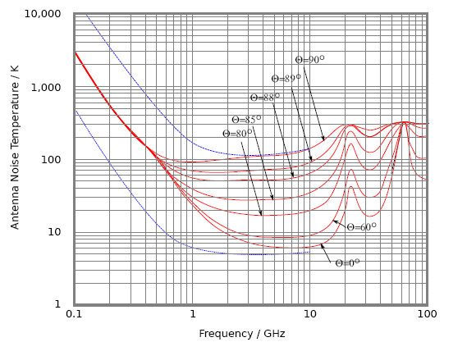
 | Antenna Radiative Effiency | ξr | Assume 80% effiency | 0.8 | N/A | N/A | Assumption
 | System Noise Temperature | Tsys | Tsys = TA*ξr + (1-ξr)*T0 + TE | 2218.9194448 | K | 33.46141536 | Toal noise temperature
 | Antenna Average Noise Power | Nsys | Nsys = K*Tsys*B | 1.26E-12 | W | -119.00676675 | Average Noise power
 | Receiving Antenna Power & Gain
 | Antenna Received Power | Pre | Pre = SNR * Nsys | 1.51E-11 | W | -108.20342906 | Power received at antenna
 | Free Space Path Loss | Lf | Lf = (λ/(4*pi*d))^2 | 7.07E-16 | W | -151.50342906 | Propagation Path Loss
 | Aperture Effiency | ea | ea = Ae/Ap | 0.8 | N/A | N/A | For aperture ea =1
 | Receiver Antenna Diameter | dre | Given |  | m | N/A | Diameter of earth antenna
 | Receiver Antenna Gain | Gre | Gre = ξr*ea*(pi*Dre/λ)^2 | 3.16E+03 | N/A | 35 | Antenna gain at receiver side
 | Transmitting Antenna Power ,Gain & Diameter
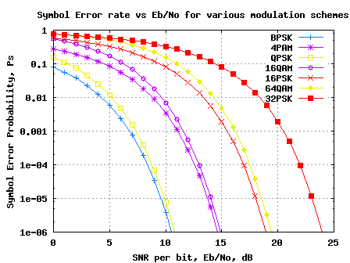
 | Transmitted Power | Pt | Given | 1 | W | 0 | 15-20W
 | Transmitter Antenna Gain | Gtr | Gtr = Ptr/(Pt*Gr*Lf) | 6.76E+00 | W | 8.3 | Antenna gain at transmitter side
 | EIRP of Transmitting Antenna | PEIRP | PEIRP = Pre*Gre*Lf |  | W | #NUM! | EIRP of rover antenna
 | Transmitter Antenna Diameter | dtr | dtr = sqrt(Grt/ea/ ξr*(λ/pi)^2) |  | m | N/A | Size of the transmitter antenna
 | Transmitting Antenna Beamwidth & Aperture
 | Required Beamwidth | ßrequired | ßrequired =2*sin-1(dearth/2/(d+dearth/2) |  | Radian | N/A | Beamwidth required to cover the earth suface
 | Actual Beamwidth | ßactual | ßactual = 0.88*λ/dtr |  | Radian | N/A | Beamwidth of dish aperture antenna
 | Transmitting Antenna Directivity | Dtr | Dtr = Gtr/ ξr |  | N/A | #NUM! | Directivity of Transmitting Antenna
 | Effective Aperture Area | Ae | Ae = (Dtr*λ2)/(4*pi) |  | m2 | N/A | Effective area of aperture | System Noise Temperature Calculation
 | Aperture Area | Ap | Ap = Ae/ea |  | m2 | N/A | Physical aperture area | Noise Variable | Symbol | Equation | Value | Unit | Value in db | Comment
 | Aperture Diameter | dap | dap = sqrt(Ap) |  | m | N/A | Diameter of circular aperture | Antenna Noise Temperature | TA | N/A | 120 | K | 20.79181246 | From graph above
 |  |  |  |  |  |  |  | Physical Temperature | TA0 | N/A | 290 | K | 24.623979979 | Ground Temperature
Date Rate VS Antenna Diameter
 | Margin | Date Rate | Antenna Diameter |  |  |  |  | Transmission Line Temperature | Tt | Tt = (Lt-1)T0 | 119.63588794 | K | 20.778614773 | Noise Temperature in Transmission Line
 | 0 | 55416165.442 | 0.686 |  |  |  |  | Transmission Line Attenuation Factor | Lt | N/A | 1.4125375446 | N/A | 1.5 | Loss factor on transmission line
 | 0.1 | 60957781.987 | 0.720 |  |  |  |  | Gain of RF Amplifier | GRF | N/A | 3.9810717055 | N/A | 6 | RF amplifier gain
 | 0.125 | 62343186.123 | 0.728 |  |  |  |  | Mixer Attenuation Factor | LM | N/A | 3.9810717055 | N/A | 6 | Loss factor on mixer
 | 0.15 | 63728590.259 | 0.735 |  |  |  |  | Mixer Noise Temperature | TM | TM = (LM-1)*T0 | 864.51079461 | K | 29.367704204 | Noise Temperature in Mixer
 | 0.175 | 65113994.395 | 0.744 |  |  |  |  | IF Amplifier Noise Temperature | TIF | N/A | 870 | K | 29.395192526 | General IF amplifier temperature
 | 0.2 | 66499398.531 | 0.750 |  |  |  |  | Noise Temperature on RF Amplifier | TRF | N/A | 290 | K | 24.623979979 | General RF amplifier temperature
 | 0.225 | 67884802.667 | 0.759 |  |  |  |  | Effective Internal Noise Temperature | TE | TE=Tt+(Lt)TRF+(LT/GRF)TM + ((LTLM)/GRF)*TIF | 2064.9194448 | K | 33.149031139 | Effective Internal Noise Temperature
 | 0.25 | 69270206.803 | 0.767 |  |  |  |  | System Noise Temperature | Tsys | Tsys = TA*ξr + TA0(1- ξr) + TE | 2218.9194448 | K | 33.46141536 | Total noise temperature

Frequency VS Antenna Diameter
 | Frequency | Antenna Diameter
 | 7.00E+09 | 0.805
 | 7.20E+09 | 0.783
 | 7.40E+09 | 0.762
 | 7.60E+09 | 0.742
 | 7.80E+09 | 0.722
 | 8.00E+09 | 0.705
 | 8.20E+09 | 0.688
 | 8.40E+09 | 0.672
 | 8.60E+09 | 0.656
 | 8.80E+09 | 0.641
 | 9.00E+09 | 0.626

